Лист1
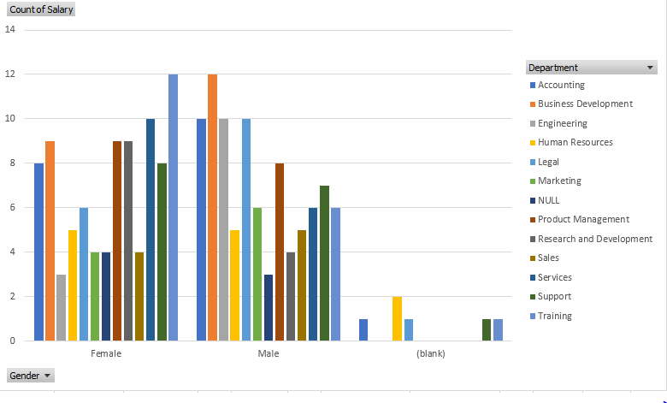
 | ACCOUNTING | BUSINESS DEVELOPMENT | ENGINEERING | HUMAN RESOURCES | LEGAL | MARKETING | NULL | PRODUCT MANAGEMENT | RESEARCH AND DEVELOPMENT | SALES | SERVICES | SUPPORT | TRAINING | GRAND TOTAL
FEMALE | 8 | 9 | 3 | 5 | 6 | 4 | 4 | 9 | 9 | 4 | 10 | 8 | 12 | 91
MALE | 10 | 12 | 10 | 5 | 10 | 6 | 3 | 8 | 4 | 5 | 6 | 7 | 6 | 92
(BLANK) | 1 |  |  | 2 | 1 |  |  |  |  |  |  | 1 | 1 | 6
GRAND TOTAL | 19 | 21 | 13 | 12 | 17 | 10 | 7 | 17 | 13 | 9 | 16 | 16 | 19 | 189

